Index
Repère |  | Couche A |  |  | Couche B
 | Faders |  |  | Faders
Bloc | n° | Ctrl |  | n° | Ctrl
F | 1 | 1 | 101 | 1 | 28 | 111
 | 2 | 2 | 102 | 2 | 29 | 112
 | 3 | 3 | 103 | 3 | 30 | 113
 | 4 | 4 | 104 | 4 | 31 | 114
 | 5 | 5 | 105 | 5 | 32 | 115
 | 6 | 6 | 106 | 6 | 33 | 116
 | 7 | 7 | 107 | 7 | 34 | 117
 | 8 | 8 | 108 | 8 | 35 | 118
 | 9 | 9 | 109 | 9 | 36 | 119

Ligne | Contrôleurs |  |  | Contrôleurs
0 | n° | Ctrl | Note | n° | Ctrl | Note
 | 1 | 10 | 0 | 1 | 37 | 55
 | 2 | 11 | 1 | 2 | 38 | 56
 | 3 | 12 | 2 | 3 | 39 | 57
 | 4 | 13 | 3 | 4 | 40 | 58
 | 5 | 14 | 4 | 5 | 41 | 59
 | 6 | 15 | 5 | 6 | 42 | 60
 | 7 | 16 | 6 | 7 | 43 | 61
 | 8 | 17 | 7 | 8 | 44 | 62
Bloc
1 | 9 | 18 | 8 | 9 | 45 | 63
 | 10 | 19 | 9 | 10 | 46 | 64
2 | 11 | 20 | 10 | 11 | 47 | 65
 | 12 | 21 | 11 | 12 | 48 | 66
3 | 13 | 22 | 12 | 13 | 49 | 67
 | 14 | 23 | 13 | 14 | 50 | 68
4 | 15 | 24 | 14 | 15 | 51 | 69
 | 16 | 25 | 15 | 16 | 52 | 70

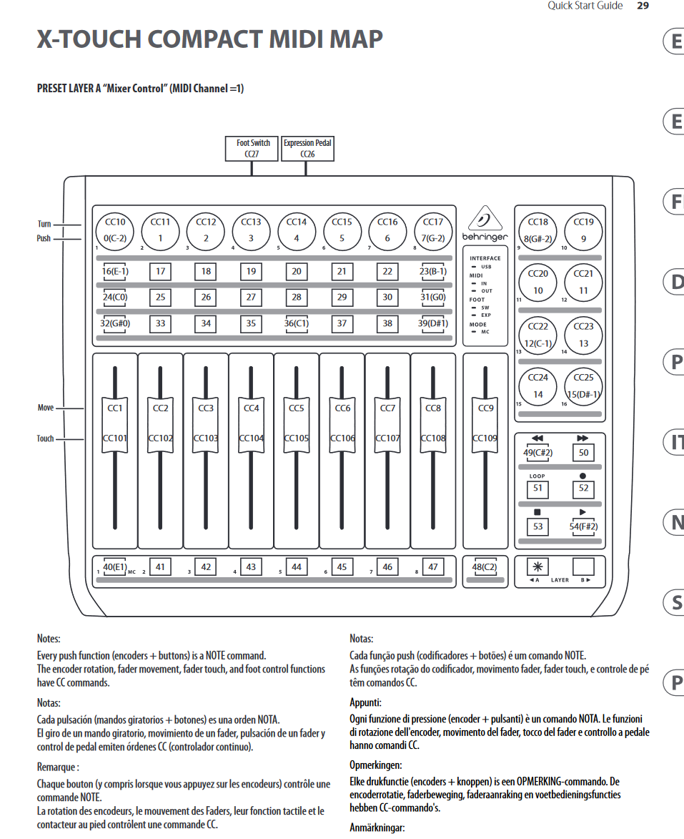
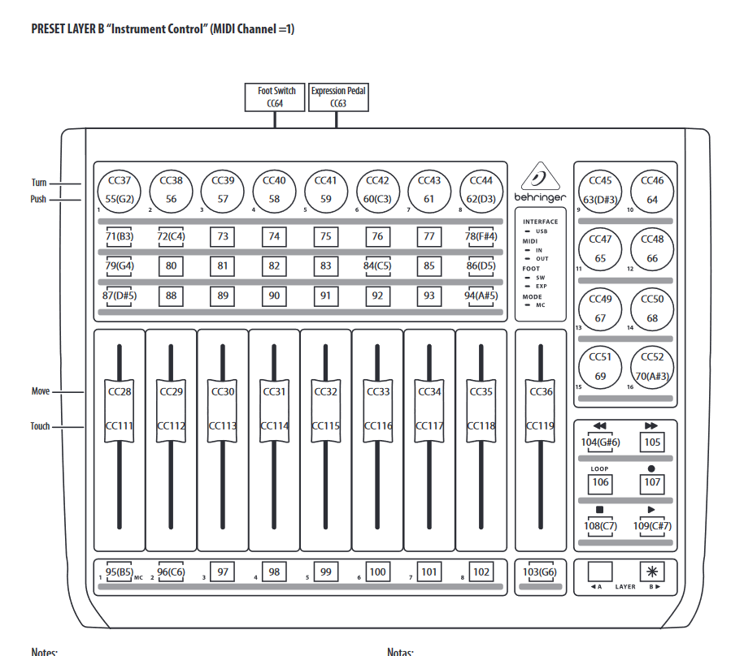
Ligne | Boutons |  | Note | Boutons |  | Note
 | n° |  |  | n°
1 | 1 |  | 16 | 1 |  | 71
 | 2 |  | 17 | 2 |  | 72
 | 3 |  | 18 | 3 |  | 73
 | 4 |  | 19 | 4 |  | 74
 | 5 |  | 20 | 5 |  | 75
 | 6 |  | 21 | 6 |  | 76
 | 7 |  | 22 | 7 |  | 77
 | 8 |  | 23 | 8 |  | 78
2 | 9 |  | 24 | 9 |  | 79
 | 10 |  | 25 | 10 |  | 80
 | 11 |  | 26 | 11 |  | 81
 | 12 |  | 27 | 12 |  | 82
 | 13 |  | 28 | 13 |  | 83
 | 14 |  | 29 | 14 |  | 84
 | 15 |  | 30 | 15 |  | 85
 | 16 |  | 31 | 16 |  | 86
3 | 17 |  | 32 | 17 |  | 87
 | 18 |  | 33 | 18 |  | 88
 | 19 |  | 34 | 19 |  | 89
 | 20 |  | 35 | 20 |  | 90
 | 21 |  | 36 | 21 |  | 91
 | 22 |  | 37 | 22 |  | 92
 | 23 |  | 38 | 23 |  | 93
 | 24 |  | 39 | 24 |  | 94
4 | 25 |  | 40 | 25 |  | 95
 | 26 |  | 41 | 26 |  | 96
 | 27 |  | 42 | 27 |  | 97
 | 28 |  | 43 | 28 |  | 98
 | 29 |  | 44 | 29 |  | 99
 | 30 |  | 45 | 30 |  | 100
 | 31 |  | 46 | 31 |  | 101
 | 32 |  | 47 | 32 |  | 102
 | 33 |  | 48 | 33 |  | 103

<< | 32 |  | 49 | 32 |  | 104
>> | 33 |  | 50 | 33 |  | 105
Loop | 34 |  | 51 | 34 |  | 106
Rond | 35 |  | 52 | 35 |  | 107
Carré | 36 |  | 53 | 36 |  | 108
> | 37 |  | 54 | 37 |  | 109

A/B | A |  | A | A |  | A
 | B |  | B | B |  | B

